DATA
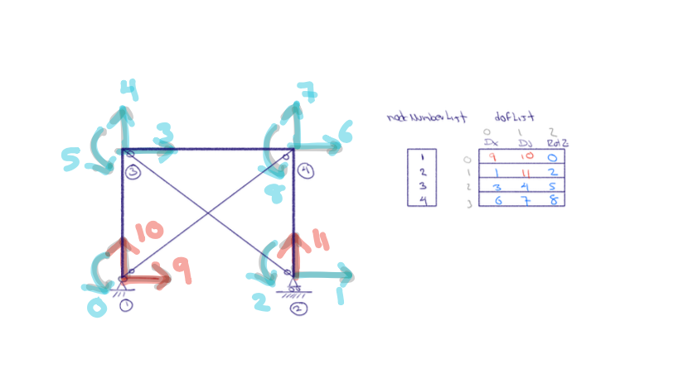
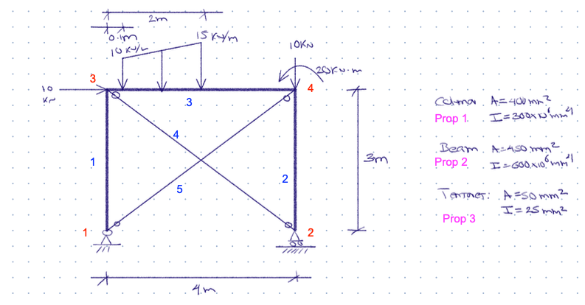

b | h | A | I
mm | mm | mm2 | 10^6 mm4
0.13333333333 | 3000 | 400 | 300
0.1125 | 4000 | 450 | 600
0.13333333333 | 3000 | 400 | 300

ELEM 1
ELEM | 1
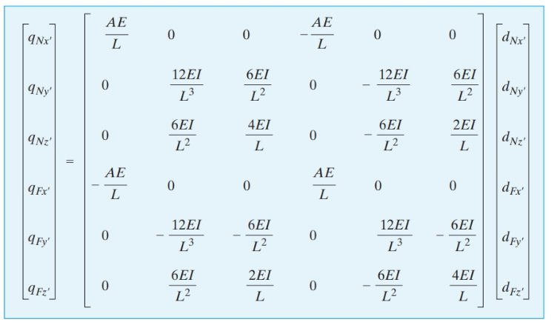
AE | 80000 | kN | [k'] | 26666.666667 | 0 | 0 | -26666.666667 | 0 | 0 | {qF} | 0
EI | 60000 | kN-m2 |  | 0 | 26666.666667 | 40000 | 0 | -26666.666667 | 40000 |  | 0
 |  |  |  | 0 | 40000 | 80000 | 0 | -40000 | 40000 |  | 0
L | 3.0000 | m |  | -26666.666667 | 0 | 0 | 26666.666667 | 0 | 0 |  | 0
C | 0.0000 | lx |  | 0 | -26666.666667 | -40000 | 0 | 26666.666667 | -40000 |  | 0
S | 1.0000 | ly |  | 0 | 40000 | 40000 | 0 | -40000 | 80000 |  | 0
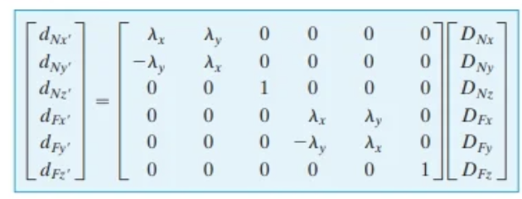
 |  |  | [T] | 0.0000 | 1.0000 | 0 | 0 | 0 | 0
DOF |  |  |  | -1.0000 | 0.0000 | 0 | 0 | 0 | 0
Nx | 9 |  |  | 0 | 0 | 1 | 0 | 0 | 0
Ny | 10 |  |  | 0 | 0 | 0 | 0.0000 | 1.0000 | 0
Nz | 0 |  |  | 0 | 0 | 0 | -1.0000 | 0.0000 | 0
Fx | 3 |  |  | 0 | 0 | 0 | 0 | 0 | 1
$$\left\{QF\right\}={\left[T\right]}^{T}\left\{qf\right\}$$
Fy | 4 |  | [K] | 26667 | 0 | -40000 | -26667 | 0 | -40000 | {QF} | 0
$$\left[K\right]={\left[T\right]}^{T}\left[k′\right]\left[T\right]$$
Fz | 5 |  |  | 0 | 26667 | 0 | 0 | -26667 | 0 |  | 0
 |  |  | (Tenemos que ensamblar) | -40000 | 0 | 80000 | 40000 | 0 | 40000 |  | 0
 |  |  |  | -26667 | 0 | 40000 | 26667 | 0 | 40000 |  | 0
 |  |  |  | 0 | -26667 | 0 | 0 | 26667 | 0 |  | 0
 |  |  |  | -40000 | 0 | 40000 | 40000 | 0 | 80000 |  | 0

 |  |  | [P] | 0 | 1 | 2 | 3 | 4 | 5 | 6 | 7 | 8 | 9 | 10 | 11
 |  |  | 9 | 0 | 0 | 0 | 0 | 0 | 0 | 0 | 0 | 0 | 1 | 0 | 0
 |  |  | 10 | 0 | 0 | 0 | 0 | 0 | 0 | 0 | 0 | 0 | 0 | 1 | 0
 |  |  | 0 | 1 | 0 | 0 | 0 | 0 | 0 | 0 | 0 | 0 | 0 | 0 | 0
 |  |  | 3 | 0 | 0 | 0 | 1 | 0 | 0 | 0 | 0 | 0 | 0 | 0 | 0
 |  |  | 4 | 0 | 0 | 0 | 0 | 1 | 0 | 0 | 0 | 0 | 0 | 0 | 0
 |  |  | 5 | 0 | 0 | 0 | 0 | 0 | 1 | 0 | 0 | 0 | 0 | 0 | 0

 |  |  | [P]^T [K] [P] | 80000 | 0 | 0 | 40000 | 0 | 40000 | 0 | 0 | 0 | -40000 | 0 | 0 | [P]^T {QF} | 0
 |  |  | (ordenada y expandida) | 0 | 0 | 0 | 0 | 0 | 0 | 0 | 0 | 0 | 0 | 0 | 0 |  | 0
 |  |  |  | 0 | 0 | 0 | 0 | 0 | 0 | 0 | 0 | 0 | 0 | 0 | 0 |  | 0
 |  |  |  | 40000 | 0 | 0 | 26667 | 0 | 40000 | 0 | 0 | 0 | -26667 | 0 | 0 |  | 0
 |  |  |  | 0 | 0 | 0 | 0 | 26667 | 0 | 0 | 0 | 0 | 0 | -26667 | 0 |  | 0
 |  |  |  | 40000 | 0 | 0 | 40000 | 0 | 80000 | 0 | 0 | 0 | -40000 | 0 | 0 |  | 0
 |  |  |  | 0 | 0 | 0 | 0 | 0 | 0 | 0 | 0 | 0 | 0 | 0 | 0 |  | 0
 |  |  |  | 0 | 0 | 0 | 0 | 0 | 0 | 0 | 0 | 0 | 0 | 0 | 0 |  | 0
 |  |  |  | 0 | 0 | 0 | 0 | 0 | 0 | 0 | 0 | 0 | 0 | 0 | 0 |  | 0
 |  |  |  | -40000 | 0 | 0 | -26667 | 0 | -40000 | 0 | 0 | 0 | 26667 | 0 | 0 |  | 0
 |  |  |  | 0 | 0 | 0 | 0 | -26667 | 0 | 0 | 0 | 0 | 0 | 26667 | 0 |  | 0
 |  |  |  | 0 | 0 | 0 | 0 | 0 | 0 | 0 | 0 | 0 | 0 | 0 | 0 |  | 0

 | POSTPROCESO

$$\left\{qe\right\}=\left[k′\right]\left[T\right]\left\{De\right\}+\left\{qf\right\}$$
 | Fuerzas elementales
 | DOF | {De}
 | 9 | 0.000E+00 |  | 16.6 | kN
 | 10 | 0.000E+00 |  | 7.4 | kN
 | 0 | -1.092E-03 |  | 0.0 | kN-m
 | 3 | 2.721E-03 |  | -16.6 | kN
 | 4 | -6.218E-04 |  | -7.4 | kN
 | 5 | -5.363E-04 |  | 22.2 | kN-m

ELEM 2
ELEM | 2

AE | 80000 | kN | [k'] | 26666.666667 | 0 | 0 | -26666.666667 | 0 | 0 | {qF} | 0
EI | 60000 | kN-m2 |  | 0 | 26666.666667 | 40000 | 0 | -26666.666667 | 40000 |  | 0
 |  |  |  | 0 | 40000 | 80000 | 0 | -40000 | 40000 |  | 0
L | 3.0000 | m |  | -26666.666667 | 0 | 0 | 26666.666667 | 0 | 0 |  | 0
C | 0.0000 | lx |  | 0 | -26666.666667 | -40000 | 0 | 26666.666667 | -40000 |  | 0
S | 1.0000 | ly |  | 0 | 40000 | 40000 | 0 | -40000 | 80000 |  | 0
 |  |  | [T] | 0.0000 | 1.0000 | 0 | 0 | 0 | 0
DOF |  |  |  | -1.0000 | 0.0000 | 0 | 0 | 0 | 0
Nx | 1 |  |  | 0 | 0 | 1 | 0 | 0 | 0
Ny | 11 |  |  | 0 | 0 | 0 | 0.0000 | 1.0000 | 0
Nz | 2 |  |  | 0 | 0 | 0 | -1.0000 | 0.0000 | 0
Fx | 6 |  |  | 0 | 0 | 0 | 0 | 0 | 1
$$\left\{QF\right\}={\left[T\right]}^{T}\left\{qf\right\}$$
Fy | 7 |  | [K] | 26667 | 0 | -40000 | -26667 | 0 | -40000 | {QF} | 0
$$\left[K\right]={\left[T\right]}^{T}\left[k′\right]\left[T\right]$$
Fz | 8 |  |  | 0 | 26667 | 0 | 0 | -26667 | 0 |  | 0
 |  |  | (Tenemos que ensamblar) | -40000 | 0 | 80000 | 40000 | 0 | 40000 |  | 0
 |  |  |  | -26667 | 0 | 40000 | 26667 | 0 | 40000 |  | 0
 |  |  |  | 0 | -26667 | 0 | 0 | 26667 | 0 |  | 0
 |  |  |  | -40000 | 0 | 40000 | 40000 | 0 | 80000 |  | 0

 |  |  | [P] | 0 | 1 | 2 | 3 | 4 | 5 | 6 | 7 | 8 | 9 | 10 | 11
 |  |  | 1 | 0 | 1 | 0 | 0 | 0 | 0 | 0 | 0 | 0 | 0 | 0 | 0
 |  |  | 11 | 0 | 0 | 0 | 0 | 0 | 0 | 0 | 0 | 0 | 0 | 0 | 1
 |  |  | 2 | 0 | 0 | 1 | 0 | 0 | 0 | 0 | 0 | 0 | 0 | 0 | 0
 |  |  | 6 | 0 | 0 | 0 | 0 | 0 | 0 | 1 | 0 | 0 | 0 | 0 | 0
 |  |  | 7 | 0 | 0 | 0 | 0 | 0 | 0 | 0 | 1 | 0 | 0 | 0 | 0
 |  |  | 8 | 0 | 0 | 0 | 0 | 0 | 0 | 0 | 0 | 1 | 0 | 0 | 0

 |  |  | [P]^T [K] [P] | 0 | 0 | 0 | 0 | 0 | 0 | 0 | 0 | 0 | 0 | 0 | 0 | [P]^T {QF} | 0
 |  |  | (ordenada y expandida) | 0 | 26667 | -40000 | 0 | 0 | 0 | -26667 | 0 | -40000 | 0 | 0 | 0 |  | 0
 |  |  |  | 0 | -40000 | 80000 | 0 | 0 | 0 | 40000 | 0 | 40000 | 0 | 0 | 0 |  | 0
 |  |  |  | 0 | 0 | 0 | 0 | 0 | 0 | 0 | 0 | 0 | 0 | 0 | 0 |  | 0
 |  |  |  | 0 | 0 | 0 | 0 | 0 | 0 | 0 | 0 | 0 | 0 | 0 | 0 |  | 0
 |  |  |  | 0 | 0 | 0 | 0 | 0 | 0 | 0 | 0 | 0 | 0 | 0 | 0 |  | 0
 |  |  |  | 0 | -26667 | 40000 | 0 | 0 | 0 | 26667 | 0 | 40000 | 0 | 0 | 0 |  | 0
 |  |  |  | 0 | 0 | 0 | 0 | 0 | 0 | 0 | 26667 | 0 | 0 | 0 | -26667 |  | 0
 |  |  |  | 0 | -40000 | 40000 | 0 | 0 | 0 | 40000 | 0 | 80000 | 0 | 0 | 0 |  | 0
 |  |  |  | 0 | 0 | 0 | 0 | 0 | 0 | 0 | 0 | 0 | 0 | 0 | 0 |  | 0
 |  |  |  | 0 | 0 | 0 | 0 | 0 | 0 | 0 | 0 | 0 | 0 | 0 | 0 |  | 0
 |  |  |  | 0 | 0 | 0 | 0 | 0 | 0 | 0 | -26667 | 0 | 0 | 0 | 26667 |  | 0

 | POSTPROCESO

$$\left\{qe\right\}=\left[k′\right]\left[T\right]\left\{De\right\}+\left\{qf\right\}$$
 | Fuerzas elementales
 | DOF | {De}
 | 1 | 3.733E-03 |  | 19.6 | kN
 | 11 | 0.000E+00 |  | 0.7 | kN
 | 2 | 3.689E-04 |  | 0.0 | kN-m
 | 6 | 2.574E-03 |  | -19.6 | kN
 | 7 | -7.363E-04 |  | -0.7 | kN
 | 8 | 4.213E-04 |  | 2.1 | kN-m

ELEM 3
ELEM | 2

AE | 90000 | kN | [k'] | 22500 | 0 | 0 | -22500 | 0 | 0 | {qF} | 0
EI | 120000 | kN-m2 |  | 0 | 22500 | 45000 | 0 | -22500 | 45000 |  | 18.65192891
 |  |  |  | 0 | 45000 | 120000 | 0 | -45000 | 60000 |  | 11.6845349
L | 4.0000 | m |  | -22500 | 0 | 0 | 22500 | 0 | 0 |  | 0
C | 1.0000 | lx |  | 0 | -22500 | -45000 | 0 | 22500 | -45000 |  | 5.09807109
S | 0.0000 | ly |  | 0 | 45000 | 60000 | 0 | -45000 | 120000 |  | -5.6351526
 |  |  | [T] | 1.0000 | 0.0000 | 0 | 0 | 0 | 0
DOF |  |  |  | 0.0000 | 1.0000 | 0 | 0 | 0 | 0
Nx | 3 |  |  | 0 | 0 | 1 | 0 | 0 | 0
Ny | 4 |  |  | 0 | 0 | 0 | 1.0000 | 0.0000 | 0
Nz | 5 |  |  | 0 | 0 | 0 | 0.0000 | 1.0000 | 0
Fx | 6 |  |  | 0 | 0 | 0 | 0 | 0 | 1
$$\left\{QF\right\}={\left[T\right]}^{T}\left\{qf\right\}$$
Fy | 7 |  | [K] | 22500 | 0 | 0 | -22500 | 0 | 0 | {QF} | 0
$$\left[K\right]={\left[T\right]}^{T}\left[k′\right]\left[T\right]$$
Fz | 8 |  |  | 0 | 22500 | 45000 | 0 | -22500 | 45000 |  | 18.65192891
 |  |  | (Tenemos que ensamblar) | 0 | 45000 | 120000 | 0 | -45000 | 60000 |  | 11.6845349
 |  |  |  | -22500 | 0 | 0 | 22500 | 0 | 0 |  | 0
 |  |  |  | 0 | -22500 | -45000 | 0 | 22500 | -45000 |  | 5.09807109
 |  |  |  | 0 | 45000 | 60000 | 0 | -45000 | 120000 |  | -5.6351526

 |  |  | [P] | 0 | 1 | 2 | 3 | 4 | 5 | 6 | 7 | 8 | 9 | 10 | 11
 |  |  | 3 | 0 | 0 | 0 | 1 | 0 | 0 | 0 | 0 | 0 | 0 | 0 | 0
 |  |  | 4 | 0 | 0 | 0 | 0 | 1 | 0 | 0 | 0 | 0 | 0 | 0 | 0
 |  |  | 5 | 0 | 0 | 0 | 0 | 0 | 1 | 0 | 0 | 0 | 0 | 0 | 0
 |  |  | 6 | 0 | 0 | 0 | 0 | 0 | 0 | 1 | 0 | 0 | 0 | 0 | 0
 |  |  | 7 | 0 | 0 | 0 | 0 | 0 | 0 | 0 | 1 | 0 | 0 | 0 | 0
 |  |  | 8 | 0 | 0 | 0 | 0 | 0 | 0 | 0 | 0 | 1 | 0 | 0 | 0

 |  |  | [P]^T [K] [P] | 0 | 0 | 0 | 0 | 0 | 0 | 0 | 0 | 0 | 0 | 0 | 0 | [P]^T {QF} | 0
 |  |  | (ordenada y expandida) | 0 | 0 | 0 | 0 | 0 | 0 | 0 | 0 | 0 | 0 | 0 | 0 |  | 0
 |  |  |  | 0 | 0 | 0 | 0 | 0 | 0 | 0 | 0 | 0 | 0 | 0 | 0 |  | 0
 |  |  |  | 0 | 0 | 0 | 22500 | 0 | 0 | -22500 | 0 | 0 | 0 | 0 | 0 |  | 0
 |  |  |  | 0 | 0 | 0 | 0 | 22500 | 45000 | 0 | -22500 | 45000 | 0 | 0 | 0 |  | 18.65192891
 |  |  |  | 0 | 0 | 0 | 0 | 45000 | 120000 | 0 | -45000 | 60000 | 0 | 0 | 0 |  | 11.6845349
 |  |  |  | 0 | 0 | 0 | -22500 | 0 | 0 | 22500 | 0 | 0 | 0 | 0 | 0 |  | 0
 |  |  |  | 0 | 0 | 0 | 0 | -22500 | -45000 | 0 | 22500 | -45000 | 0 | 0 | 0 |  | 5.09807109
 |  |  |  | 0 | 0 | 0 | 0 | 45000 | 60000 | 0 | -45000 | 120000 | 0 | 0 | 0 |  | -5.6351526
 |  |  |  | 0 | 0 | 0 | 0 | 0 | 0 | 0 | 0 | 0 | 0 | 0 | 0 |  | 0
 |  |  |  | 0 | 0 | 0 | 0 | 0 | 0 | 0 | 0 | 0 | 0 | 0 | 0 |  | 0
 |  |  |  | 0 | 0 | 0 | 0 | 0 | 0 | 0 | 0 | 0 | 0 | 0 | 0 |  | 0

 | POSTPROCESO

$$\left\{qe\right\}=\left[k′\right]\left[T\right]\left\{De\right\}+\left\{qf\right\}$$
 | Fuerzas elementales
 | DOF | {De}
 | 3 | 2.721E-03 |  | 3.3 | kN
 | 4 | -6.218E-04 |  | 16.1 | kN
 | 5 | -5.363E-04 |  | -22.2 | kN-m
 | 6 | 2.574E-03 |  | -3.3 | kN
 | 7 | -7.363E-04 |  | 7.7 | kN
 | 8 | 4.213E-04 |  | 17.9 | kN-m

ELEM 4
BARRA | 4

$$\left[k′\right]=\frac{AE}{L}\left[\begin{matrix}\begin{matrix} 1 & 0 \\ 0 & 0\end{matrix} & \begin{matrix}−1 & 0 \\ 0 & 0\end{matrix} \\ \begin{matrix}−1 & 0 \\ 0 & 0\end{matrix} & \begin{matrix} 1 & 0 \\ 0 & 0\end{matrix}\end{matrix}\right]$$
 |  |  | [k'] | 2000.0 | 0.0 | -2000.0 | 0.0
AE | 10000 | kN | k local | 0.0 | 0.0 | 0.0 | 0.0
L | 5.000 |  |  | -2000.0 | 0.0 | 2000.0 | 0.0
C | 0.800 |  |  | 0.0 | 0.0 | 0.0 | 0.0
$$\left[T\right]=\left[\begin{matrix}\begin{matrix} C & S \\ −S & C\end{matrix} & \begin{matrix} 0 & 0 \\ 0 & 0\end{matrix} \\ \begin{matrix} 0 & 0 \\ 0 & 0\end{matrix} & \begin{matrix} C & S \\ −S & C\end{matrix}\end{matrix}\right]$$
S | -0.600 |  | [T] | 0.800 | -0.600 | 0.000 | 0.000
GDL |  |  | (transform.) | 0.600 | 0.800 | 0.000 | 0.000
Nx | 3 |  |  | 0.000 | 0.000 | 0.800 | -0.600
Ny | 4 |  |  | 0.000 | 0.000 | 0.600 | 0.800
Fx | 1 |  | [K] | 1280.0 | -960.0 | -1280.0 | 960.0
$$\left[K\right]={\left[T\right]}^{T}\left[k′\right]\left[T\right]$$
Fy | 11 |  | k Global | -960.0 | 720.0 | 960.0 | -720.0
 |  |  | ensamblar | -1280.0 | 960.0 | 1280.0 | -960.0
 |  |  |  | 960.0 | -720.0 | -960.0 | 720.0

 |  |  | [P] | 0 | 1 | 2 | 3 | 4 | 5 | 6 | 7 | 8 | 9 | 10 | 11
 |  |  | 3 | 0 | 0 | 0 | 1 | 0 | 0 | 0 | 0 | 0 | 0 | 0 | 0
 |  |  | 4 | 0 | 0 | 0 | 0 | 1 | 0 | 0 | 0 | 0 | 0 | 0 | 0
 |  |  | 1 | 0 | 1 | 0 | 0 | 0 | 0 | 0 | 0 | 0 | 0 | 0 | 0
 |  |  | 11 | 0 | 0 | 0 | 0 | 0 | 0 | 0 | 0 | 0 | 0 | 0 | 1

 |  |  | [P]^T [K] [P]
 |  |  |  |  | 1280.0 |  | -1280.0 | 960.0 |  |  |  |  |  |  | -960.0

 |  |  |  |  | -1280.0 |  | 1280.0 | -960.0 |  |  |  |  |  |  | 960.0
 |  |  |  |  | 960.0 |  | -960.0 | 720.0 |  |  |  |  |  |  | -720.0

 |  |  |  |  | -960.0 |  | 960.0 | -720.0 |  |  |  |  |  |  | 720.0

$$\left\{qe\right\}=\left[k′\right]\left[T\right]\left\{De\right\}$$

 | DOF | {De} |  | {qe}
 | 3 | 0.003 |  | -0.874
 | 4 | -0.001 |  | 0.000
 | 1 | 0.004 |  | 0.874
 | 11 | 0.000 |  | 0.000

ELEM 5
BARRA | 5

$$\left[k′\right]=\frac{AE}{L}\left[\begin{matrix}\begin{matrix} 1 & 0 \\ 0 & 0\end{matrix} & \begin{matrix}−1 & 0 \\ 0 & 0\end{matrix} \\ \begin{matrix}−1 & 0 \\ 0 & 0\end{matrix} & \begin{matrix} 1 & 0 \\ 0 & 0\end{matrix}\end{matrix}\right]$$
 |  |  | [k'] | 2000.0 | 0.0 | -2000.0 | 0.0
AE | 10000 | kN | k local | 0.0 | 0.0 | 0.0 | 0.0
L | 5.000 |  |  | -2000.0 | 0.0 | 2000.0 | 0.0
C | 0.800 |  |  | 0.0 | 0.0 | 0.0 | 0.0
$$\left[T\right]=\left[\begin{matrix}\begin{matrix} C & S \\ −S & C\end{matrix} & \begin{matrix} 0 & 0 \\ 0 & 0\end{matrix} \\ \begin{matrix} 0 & 0 \\ 0 & 0\end{matrix} & \begin{matrix} C & S \\ −S & C\end{matrix}\end{matrix}\right]$$
S | 0.600 |  | [T] | 0.800 | 0.600 | 0.000 | 0.000
GDL |  |  | (transform.) | -0.600 | 0.800 | 0.000 | 0.000
Nx | 9 |  |  | 0.000 | 0.000 | 0.800 | 0.600
Ny | 10 |  |  | 0.000 | 0.000 | -0.600 | 0.800
Fx | 6 |  | [K] | 1280.0 | 960.0 | -1280.0 | -960.0
$$\left[K\right]={\left[T\right]}^{T}\left[k′\right]\left[T\right]$$
Fy | 7 |  | k Global | 960.0 | 720.0 | -960.0 | -720.0
 |  |  | ensamblar | -1280.0 | -960.0 | 1280.0 | 960.0
 |  |  |  | -960.0 | -720.0 | 960.0 | 720.0

 |  |  | [P] | 0 | 1 | 2 | 3 | 4 | 5 | 6 | 7 | 8 | 9 | 10 | 11
 |  |  | 9 | 0 | 0 | 0 | 0 | 0 | 0 | 0 | 0 | 0 | 1 | 0 | 0
 |  |  | 10 | 0 | 0 | 0 | 0 | 0 | 0 | 0 | 0 | 0 | 0 | 1 | 0
 |  |  | 6 | 0 | 0 | 0 | 0 | 0 | 0 | 1 | 0 | 0 | 0 | 0 | 0
 |  |  | 7 | 0 | 0 | 0 | 0 | 0 | 0 | 0 | 1 | 0 | 0 | 0 | 0

 |  |  | [P]^T [K] [P]

 |  |  |  |  |  |  |  |  |  | 1280.0 | 960.0 |  | -1280.0 | -960.0
 |  |  |  |  |  |  |  |  |  | 960.0 | 720.0 |  | -960.0 | -720.0

 |  |  |  |  |  |  |  |  |  | -1280.0 | -960.0 |  | 1280.0 | 960.0
 |  |  |  |  |  |  |  |  |  | -960.0 | -720.0 |  | 960.0 | 720.0

$$\left\{qe\right\}=\left[k′\right]\left[T\right]\left\{De\right\}$$

 | DOF | {De} |  | {qe}
 | 9 | 0.000 |  | -3.235
 | 10 | 0.000 |  | 0.000
 | 6 | 0.003 |  | 3.235
 | 7 | -0.001 |  | 0.000

